Automated API test evidence
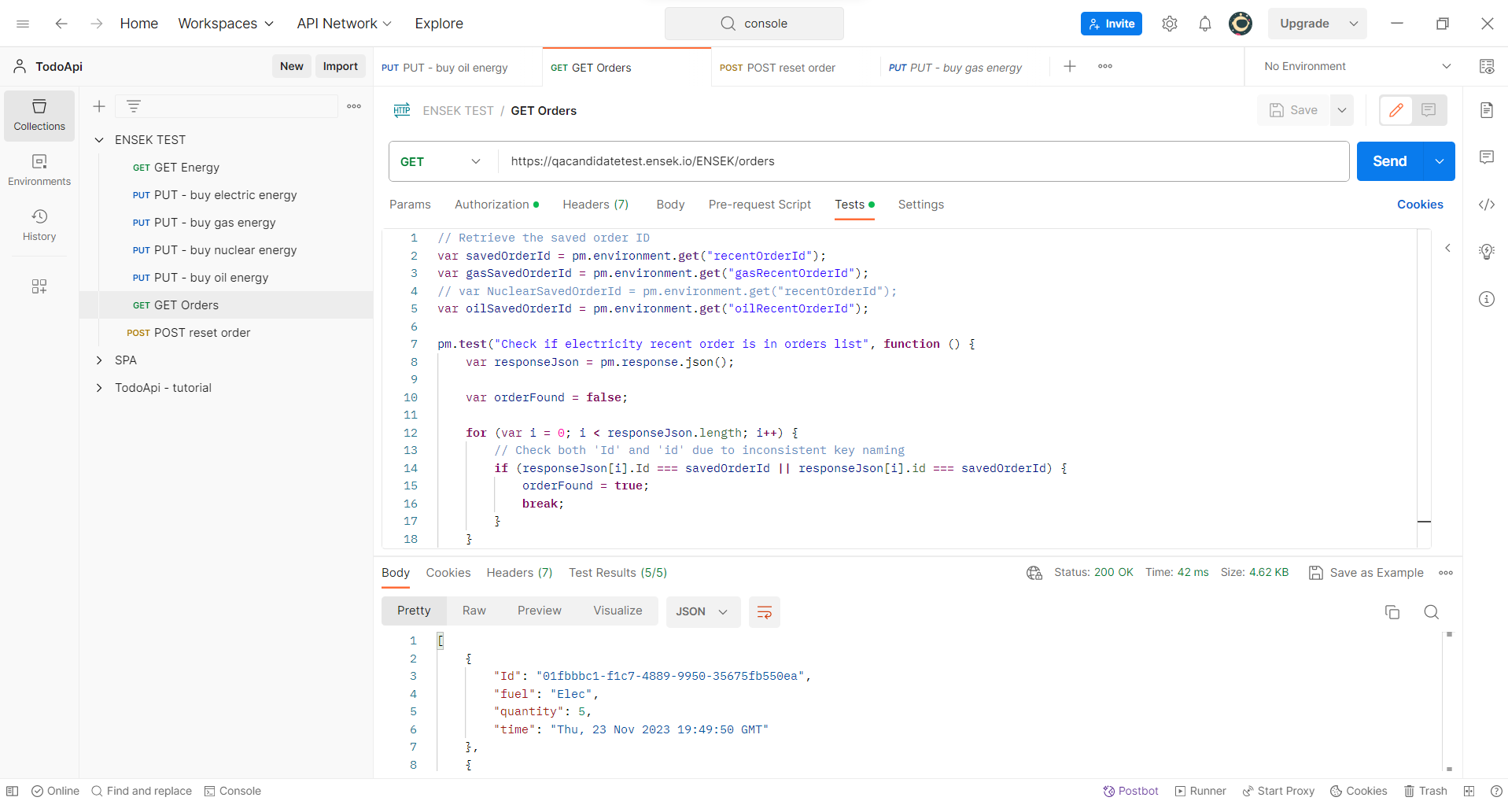
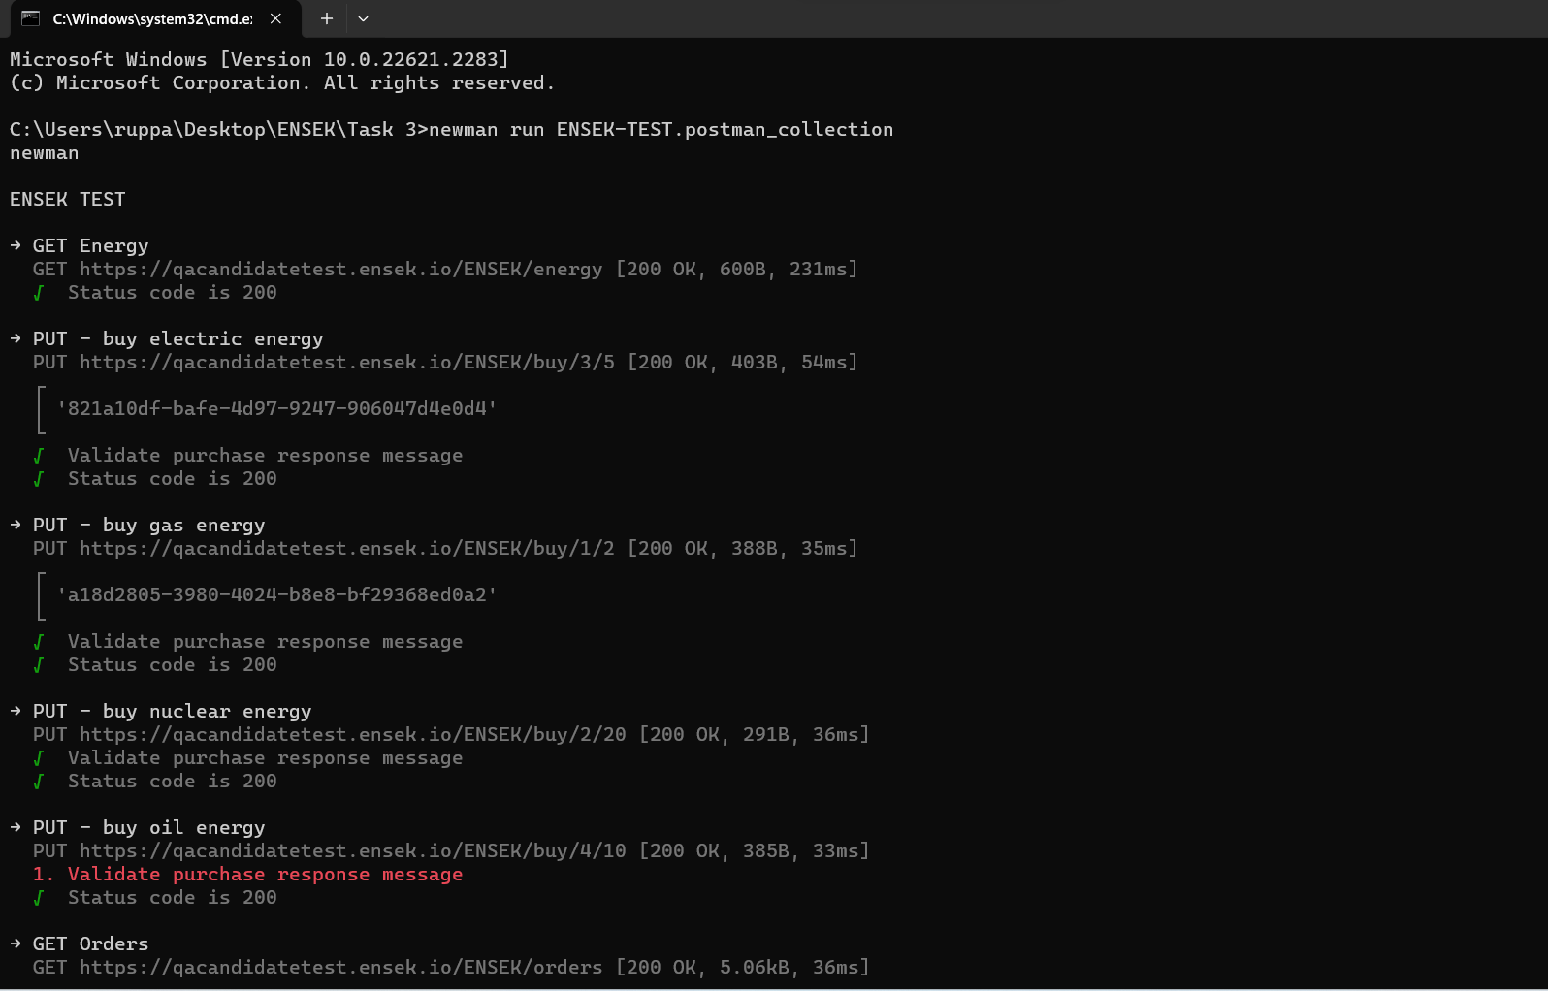

These screenshots show the use of Newman to automate tests written in Postman. The postman collection was exported and then a tool called Newman was sued to automatically run the API calls/requests and execute the tests for each request.

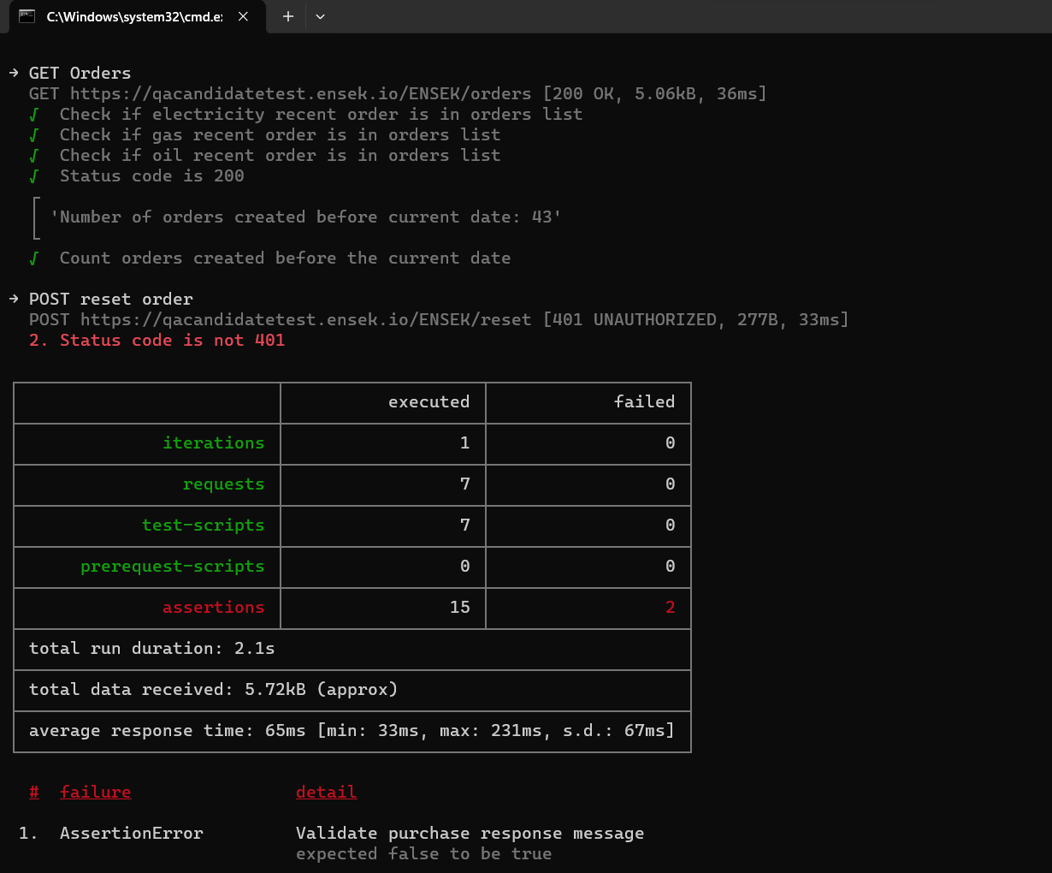

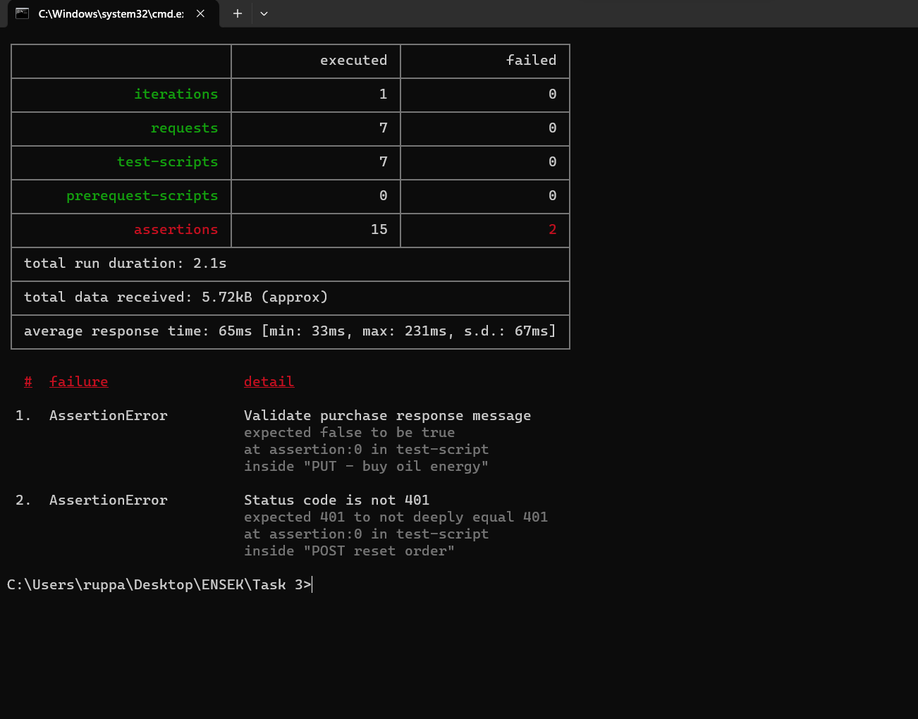

Example Postman set-up/request

Bugs
Due to time constraints, I will list out the bugs I have found without the steps to reproduce or screenshots.

Bug ID | Title | Comments
API-1 | Cannot reset data via API. User is authorised, but 401 response is still returned.
API-2 | When buying gas, the remaing units/quantity always stays at 2. | Request URL - https://qacandidatetest.ensek.io/ENSEK/buy/1/2. This is a PUT request. The GET orders endpoint shows the correct updated quantity.
API-3 | For the buy oil endpoint, there is a grammatical error in the response message. | "Your orderid is" should be "Your order id is". PUT request to https://qacandidatetest.ensek.io/ENSEK/buy/4/10

